TestSummary
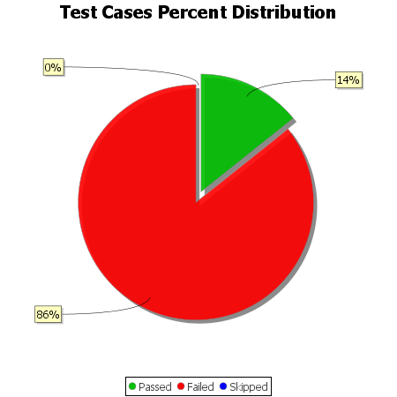
Total Test Cases | 14
Test Cases Passed | 2
Test Cases Failed | 12
Test Cases Skipped | 0

